Full Product List
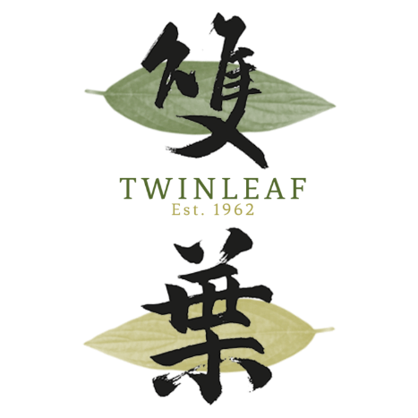
Unit 09, 29th W50, No.50 Wong Chuk Hang Road, Hong Kong
wholesale@twinleaftea.com | +852 2850 8448 | Whatsapp: +852 9178 9589
https://twinleaftea.com

Product List

*Our coffee can be provided grinded upon request *We also provide specialty single-origin coffee on request (roast to order in HK) *Free delivery over $500 (flat delivery fee of HKD 70)

Updated | 2023-09-08
SKU | Product | Type | Bulk Qty | Retail per Unit | Bulk Price | Total Bulk Price | Bulk Discount | Weight per Unit | Bulk Weight | Stock
21 | Italian Blend (Beans) | Coffee Beans | 10 | HKD 67.70 | HKD 52.00 | HKD 520 | 23% | 200g | 5kg | Low Stock
102 | Tartary Buckwheat Grain | Tea Bags | 10 | HKD 93.60 | HKD 72.00 | HKD 720 | 23% | 120g | 12kg | Low Stock
104 | Tartary Buckwheat Chamomile Tea | Tea Bags | 10 | HKD 87.10 | HKD 67.00 | HKD 670 | 23% | 6g x 10 teabags | 6kg | Low Stock
32539 | Barley Hoji Tea | Tea Bags | 10 | HKD 55.00 | HKD 37.70 | HKD 377 | 31% | 10g x 33 tea bags | 3.3kg | Low Stock
3416 | Oolong Roasted Rice Tea | Tea Bags | 15 | HKD 42.70 | HKD 32.80 | HKD 492 | 23% | 5g x 15 teabags | 1.12kg | In Stock
3713B | Green Tea (Bag) | Tea Bags | 10 | HKD 48.10 | HKD 37.00 | HKD 370 | 23% | 4g x 33 teabags | 1.32kg | In Stock
207008 | Sakura Cha (Box) | Tea Leaves | 20 | HKD 40.30 | HKD 31.00 | HKD 620 | 23% | 40g | 800g | In Stock
207053 | Sakura Cha (Bag) | Tea Leaves | 10 | HKD 45.50 | HKD 35.00 | HKD 350 | 23% | 40g | 400g | In Stock
317042 | Ginger Arrowroot Tea | Powder Drink | 20 | HKD 84.50 | HKD 65.00 | HKD 1,300 | 23% | 18g x 14 teabags | 5.04kg | In Stock
G-10 | Green Tea Powder (Sugar) | Green Tea | 10 | HKD 45.30 | HKD 34.80 | HKD 348 | 23% | 150g | 1.5kg | In Stock
G-100 | Pure Green Tea Powder (Uji) | Green Tea | 5 | HKD 850.00 | HKD 800.00 | HKD 4,000 | 6% | 1kg | 1kg | In Stock
G-500 | Green Tea Powder (Sugar Free) | Green Tea | 10 | HKD 299.00 | HKD 230.00 | HKD 2,300 | 23% | 500g | 5kg | In Stock
K-26 | Sea Tangle Tea (Can) | Tea Leaves | 5 | HKD 45.30 | HKD 34.80 | HKD 174 | 23% | 70g | 350g | In Stock
K-51 | Sea Tangle Tea (Bag) | Tea Leaves | 10 | HKD 35.10 | HKD 27.00 | HKD 270 | 23% | 2g x 12 teabags | 240g | In Stock
O-10 | Shiitake Tea (Can) | Tea Leaves | 5 | HKD 45.30 | HKD 34.80 | HKD 174 | 23% | 30g | 150g | In Stock
U-26 | Plum & Sea Tangle Tea (Can) | Tea Leaves | 5 | HKD 45.30 | HKD 34.80 | HKD 174 | 23% | 50g | 250g | In Stock
U-51 | Plum & Sea Tangle Tea (Bag) | Tea Leaves | 10 | HKD 35.10 | HKD 27.00 | HKD 270 | 23% | 2g x 12 teabags | 240g | In Stock

